1. Title Page
Data Analysis

Project Name: Instacart Data Analysis
Date: 6/1/24
Analyst Name: Chris Schwarz Jr.

Contents:
Population Flow
Consistency checks
Wrangling steps
Column derivations
Visualizations
Recommendations

2. Population Flow
Title page

Population flow

Exclusion flag
Condition: max_order <
Obervations to be removed:
Final total count of order_products_all:

Orders_products_combined
Orders_products_merged
Orders_products_all

Total: 3,421,859
Total: 32,434,489
Total:32,404,859

1.) The grey boxes in the first row of the population flow represent the original data sets as they were when you downloaded them. In the Total fields you need to add the count of the rows when you imported the data set into Jupyter.
2.) The second row of boxes (coloured) represents the data sets after you manipulated them, e.g., removed missing values and duplicates. In the Total fields you need to add the count of the rows after conducting these operations. This offers a visual oveview of how the data flows throughout the data consistency checks.
3.) The third row, where also the arrows are coloured, represents the merges you performed between the datasets. In the Total fields you need to add the count of the rows in the merged datasets, so that you end up with the final dataset (in the red box). Keep in mind the final dataset should be without exclusions (based on the exclusion flag).

3. Consistency checks
 |  |  |  | Title page
Consistency checks

Dataset | Missing values | Missing values treatment | Duplicates
orders | 206,209 | Values assumed to refer to 0 days since prior order or new accounts. | None
products | 16 NaN values | Removed | Removed
orders_products_prior | N/A | N/A | N/A
customers | N/A | N/A | N/A
orders_products_all | N/A | N/A | N/A

4. Wrangling steps
 |  |  |  | Title page
Wrangling steps

Columns dropped | Columns renamed | Columns' type changed | Comment/Reason
eval_set from orders.csv |  |  | not needed for this analysis
 |  | order_id from orders.csv | type changed to str
 |  | user_id from orders.csv | type changed to str
 |  | orders_hour_of_day | type changed to str
First Name |  |  | Removed for Privacy Reasons
Surname |  |  | Removed for Privacy Reasons
_merge |  |  | Dropped after causing errors with multiple merge flags
 | STATE |  | De-capitalized
 | fam_status | marital_status | clarification

5. Column derivations
 |  |  |  | Title page

Column derivations and aggregations

In this tab you should add tables below that the frequences of flags/label variables that you produced after deriving them. NB: don't do this for continuous variables, only for flags.
Dataset | New column | Column/s it was derived from | Conditions
ords_prods_merge | price_range | prices | High Range Products: prices > 15 ; Midrange Products: 5<prices<= 15; Low Range Product: prices <= 5
ords_prods_merge | busiest day | order_dow | If value == 0 or value == 1 --> Busiest Days; If value ==4 or == 3 --> slowest days; Else = Regularly Busy
ords_prods_merge | busiest_period_of_day | order_hour_of_day | If value = 9, 10, 11, 12, 13, 14, 15, 16 --> Most Orders; If value = 0, 1, 2, 3, 4, 5, 6, 23 --> Fewest Orders; If else --> Average Orders
ords_prods_merge | loyalty_flag | max_order | If max_order > 40 --> loyal customer; If max order <= 40 or > 10 --> regular customer; If max order <10 --> new customer
ords_prods_merge | spending_flag | mean_product_price | If mean_product_price >= 10 --> High Spender; If mean_product_price < 10 --> Low Spender;
ords_prods_merge | order_frequency | meadian_days_between_orders | If median_days_between_orders > 20 --> Non-frequent customer; If median_days_between_roders <= 20 and >10 --> Regular customer; If median_days_between_orders <=10 --> Frequent customer
instacart | Region | state | Created lists of northeast, midwest, south and west regions and categorized states
instacart_kept | Parent | department_id | If user made purchase from babies department (18), then Yes, otherwise, No
instacart_kept | single_parent | marital_status, parent | If marital status = single and parent = yes, then Yes
instacart_kept | age_group | age | If age <= 29 --> Young Adult; If age > 29 and <65 --> Adult; If age >= 65 --> Senior
instacart_kept | income_group | income | If income < 5200 --> Low; If income >= 52000 and <= 156000 --> Middle; If income >156000 --> High
instacart_kept | dependants_flag | n_dependants | If n_dependants = 0 --> No Dependants; If n_dependants >0 --> Has Dependants

6. Visualizations
 |  | Title page

Visualisations

In this tab you should include all the visualtions from Exercises 4.9 and 4.10, alongside the questions from the project brief that they answer. Include any commentary on the relationship between different variables.

Key Question 1: The sales team needs to know what the busiest days of the week and hours of the day are (i.e., the days and times with the most orders) in order to schedule ads at times when there are fewer orders.




 | Analysis:
 | The busiest days of the week are Saturday and Sunday (0 and 1). It makes sense that weekends would be the time that people shop the most. Orders peak between 9am and 5pm, standard day time hours.

Key Question 2: They also want to know whether there are particular times of the day when people spend the most money, as this might inform the type of products they advertise at these times.

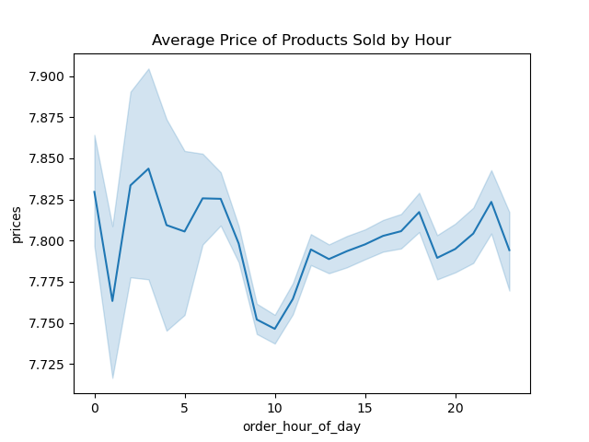

 | Analysis:
 | Customers tend to purchase products with a higher average price at night. There is a large drop in average price after midnight, but then another increase around 2am. This suggests people are purchasing more expensive products at night. The average price dips around 10am and then climbs through the afteroon.

Key Question 3: Instacart has a lot of products with different price tags. Marketing and sales want to use simpler price range groupings to help direct their efforts.

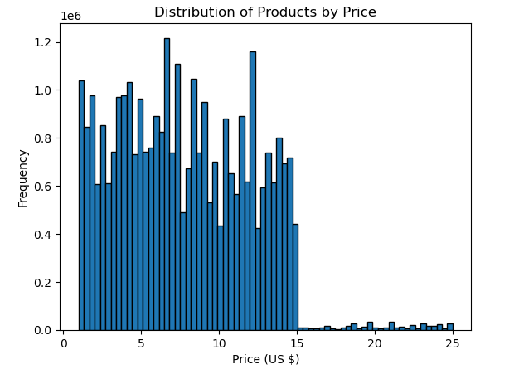

 | Analysis:
 | There is a very large drop off in the distriubution after 15 dollars. The vast majority of products in the system are $15 or less. This shows that customrs are generally purchasing low range to mid range priced items.

Key Question 4: Are there certain types of products that are more popular than others? The marketing and sales teams want to know which departments have the highest frequency of product orders.

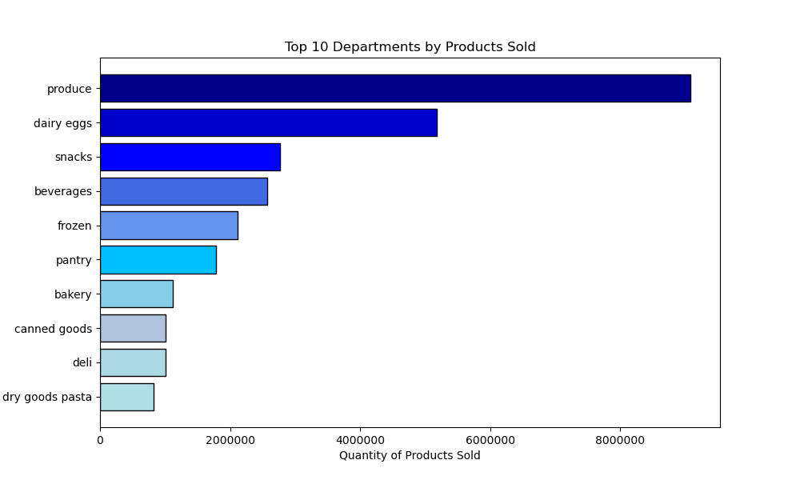

 | Analysis:
 | This chart displays the Top 10 Instacart Departments by quantity of products sold. Produce is the top selling department, with dairy eggs in second and snacks and beverages near each other at 3rd and 4th. Because these products are the best sellers, Instacart should advertise these departments most alongside offering promotions for products in these categories.

Key Question 5: What’s the distribution among users in regards to their brand loyalty (i.e., how often do they return to Instacart)?

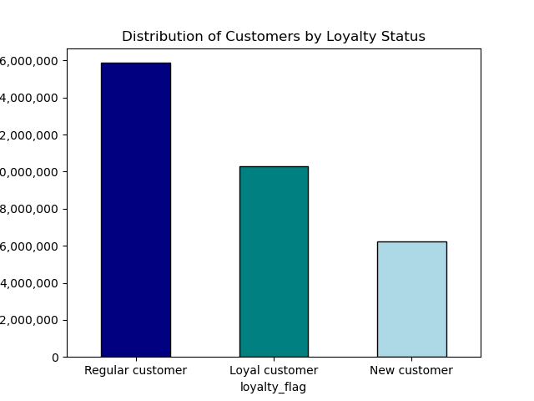

 | Analysis:

 | The largest category for customers in Regular. Loyal customers make up the second largest group followed by new customers. Instacart should work to increase its pool of loyal customers. This could be achieved through promotions, rewards or other means. New customers make up the smallest group, which suggests that Instacart is succeeding in bringing customers back for repeated purchases.

Key Question 6: "Are there differences in ordering habits based on a customer's loyalty status"?

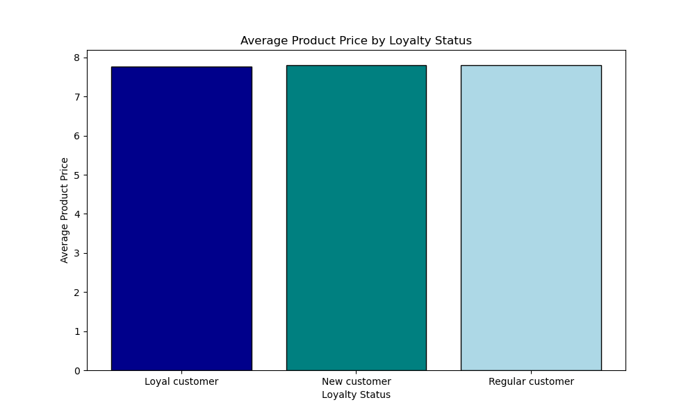

 | Analysis:

 | The average product price for Instacart users is essentially the same across all three loyalty groups, suggesting that users have similar purchasing patterns in terms of price regardless of their history with instacart.

Key Question 7: "Are there differences in ordering habits based on a customer's region"?
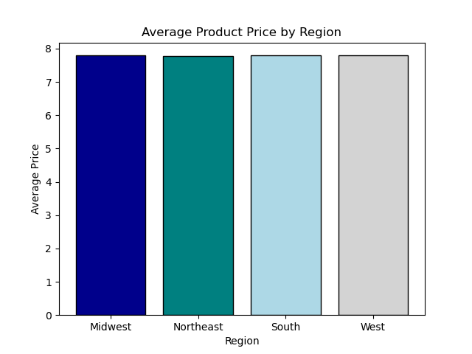
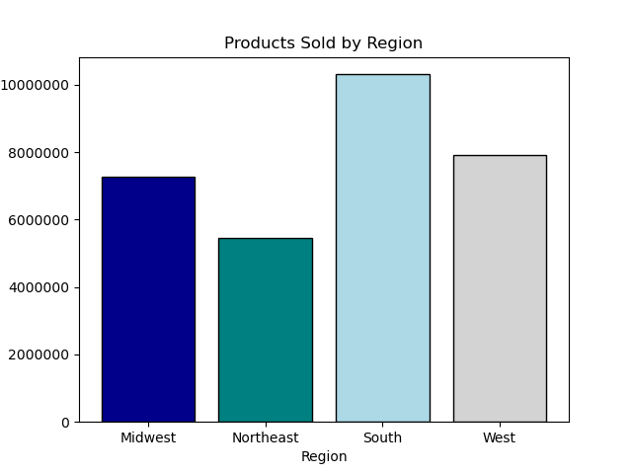

 | Analysis:

 | The most products are sold in the South region while the least are sold to the Northeast. Instacart could increase its marketing and promotion strategies in the South to capitalize on the relative popularity of the service there. Additional analysis could be conducted to determine why the Northeast region sells the least products. The average product price is essentially equal across regions, suggesting that while customers in the south order more products, users purchase products of similar values across regions.

Key Question 8: "What different classifications does the demographic information suggest"?

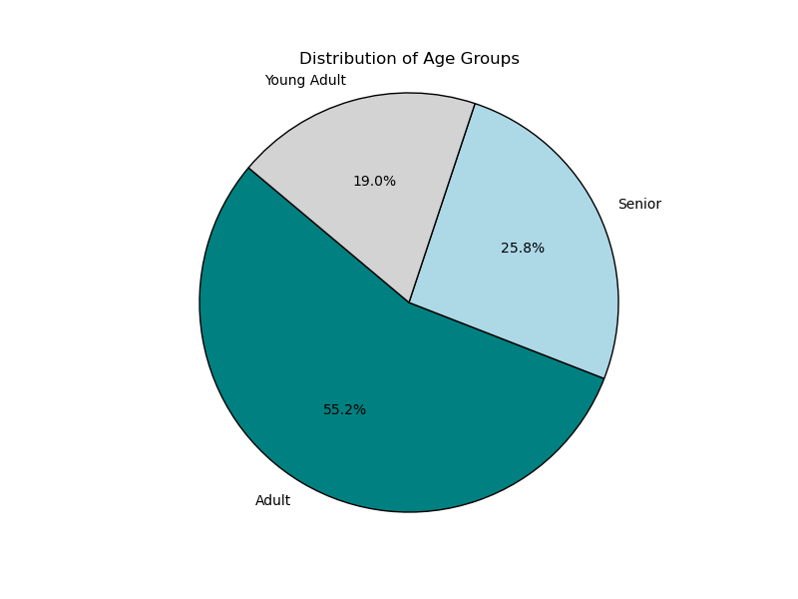
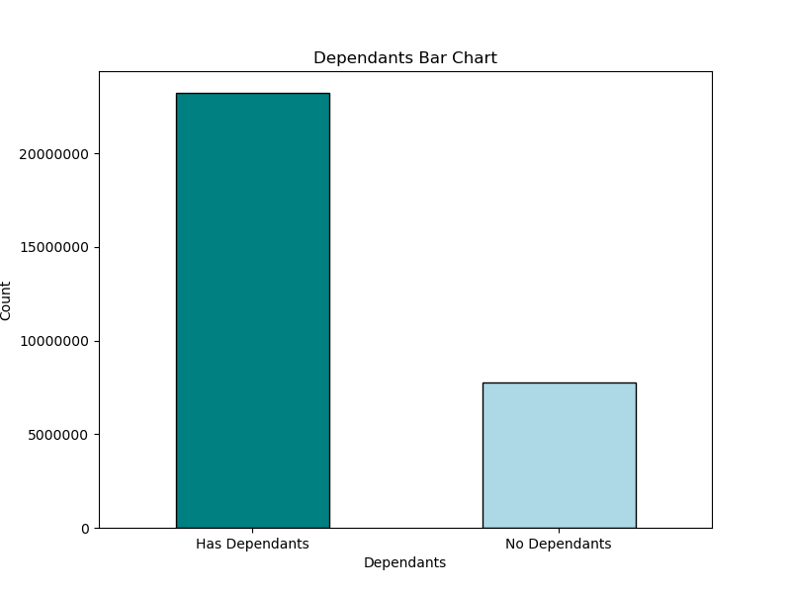
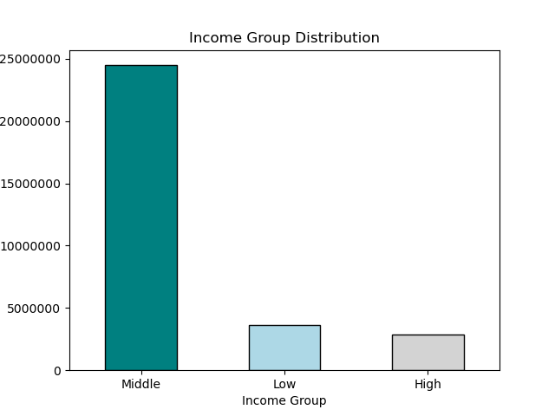

 | Analysis:
 | The charts suggest that the largest group of instacart users are middle class adults with dependants. Instacart can use this knowledge to market more to middle class/adult/with dependants groups than other demographics. Seniors and young adults are relatively smaller markets and may benefit from additional marketing. Additional analysis would be needed to confirm why high and low income individuals use instacart at a lower rate than middle income earners.

Key Question 9: "Is there a connection between age and family status in terms of ordering habits"?

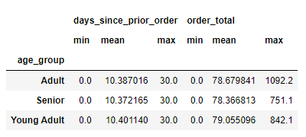
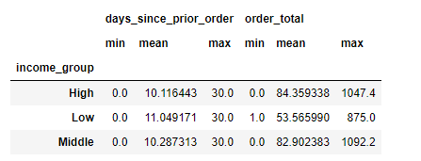

 | Analysis:

 | Regardless of age group the mean order total and days since prior order for instacart users is roughly the same. This shows consistency in ordering and spending patterns between groups. Adults do have a much larger max order total then the other age groups, suggesting that people in the adult category may have more resources for large orders - however, this is simply a max value and the mean value for all age groups is stil very similar. For income groups, low earners have a smaller max and mean order total than the other groups. Low income earners therefore are making smaller purchases from instacart than other categories.

Key Question 10: "What differences can you find in ordering habits of different customer profiles? consider the price of orders, frequency of orders, products customers are ordering, and anything else you can think of".

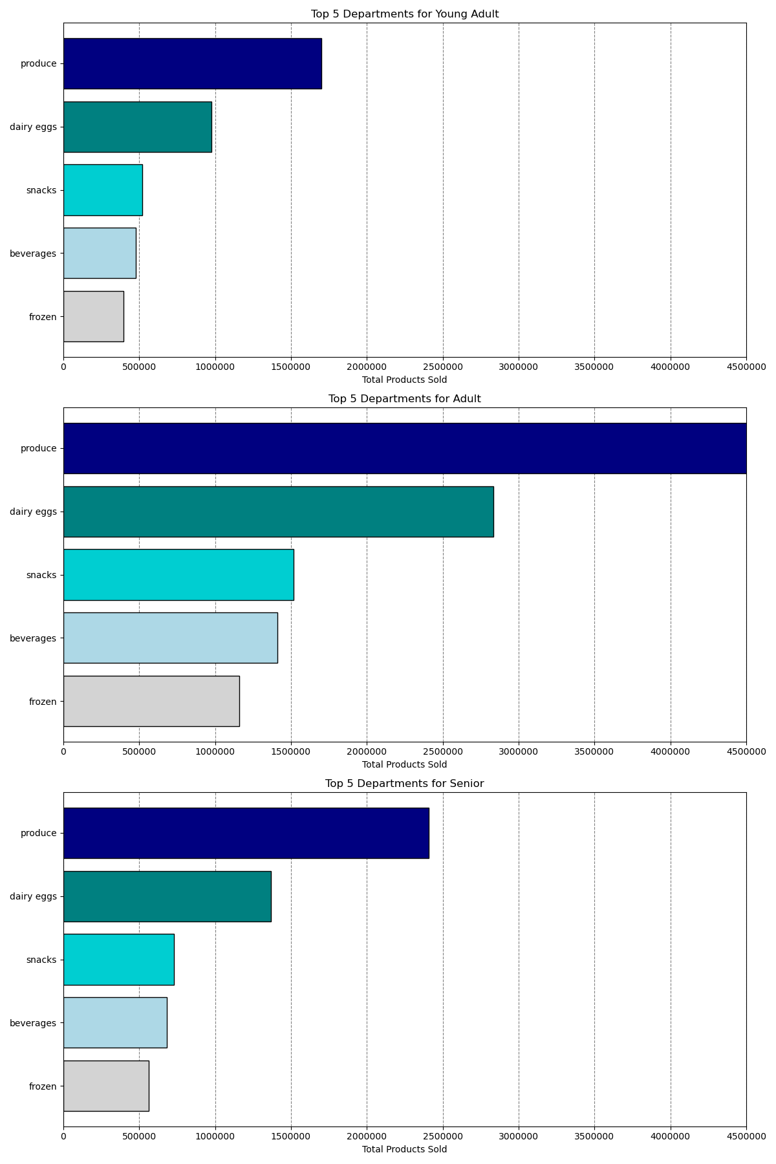
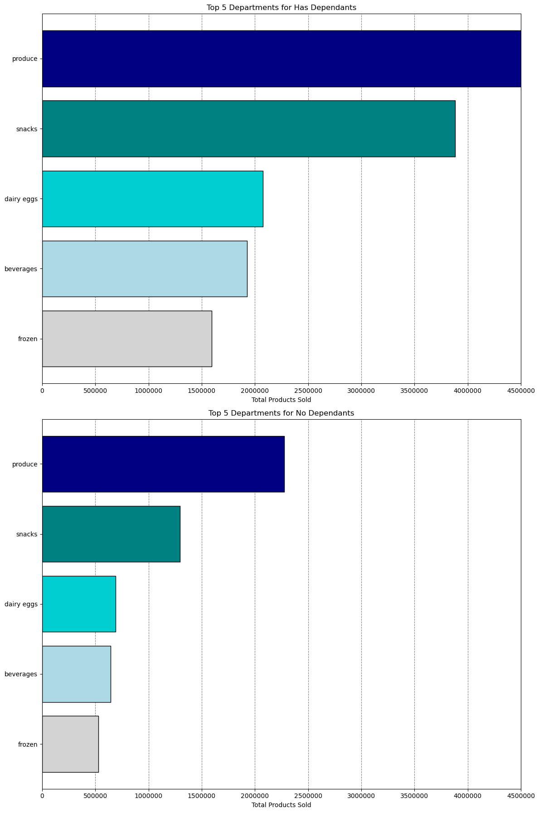
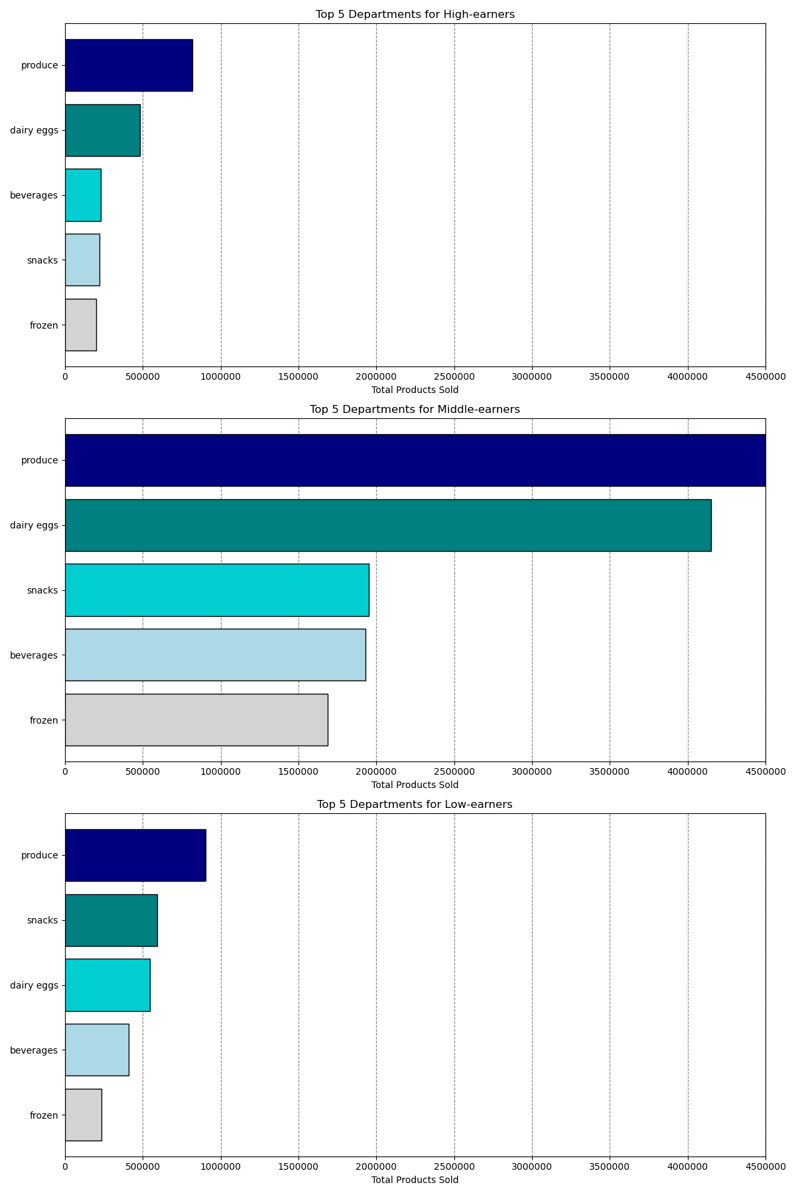

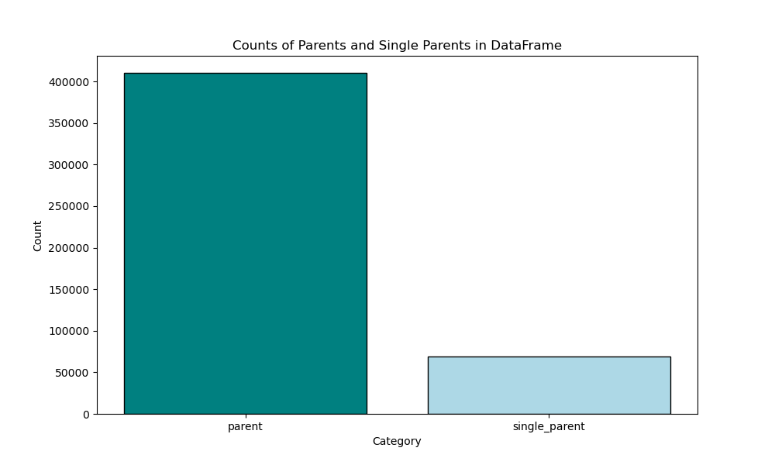
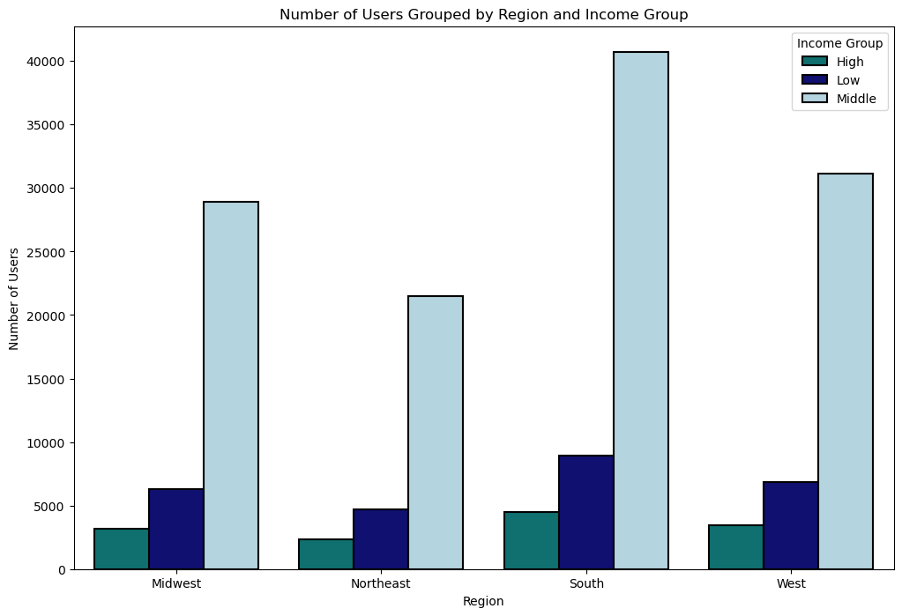
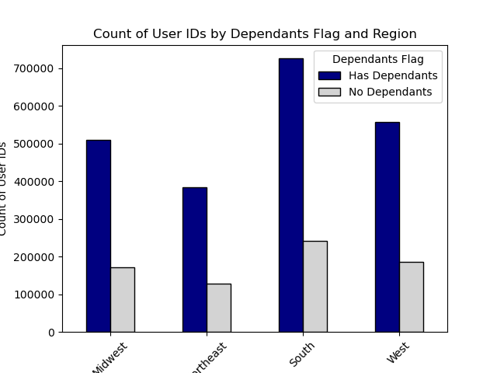

 | Analysis:

 | The top 5 selling departments remain mostly the same across all demographics. Instacart could capitalize on this information through increased promotions, marketing, rewards or other strategies to promote purchase of these products. One exception is that for low income earners, snacks ranks second above dairy/eggs whereas for all other users snacks ranks second. This could signify a difference in spending habits for people in lower income brackets. Otherwise, the top departments: produce, dairy/eggs, snacks, beverages and frozen are the same across demographic groups. Instacart should also work to partner with shops that offer a diverse selection of these products to best fit customer wants and needs. These charts also provide additional evidence that middle class earners with dependants are the main instacart users. Single parents make up a small percentage of instacart users. The south has the largest portion of instacart users, so marketing should be geared towards capitalizing on the already exist market in the south and finding new ways to market instacart to users in other regions.

7. Recommendations
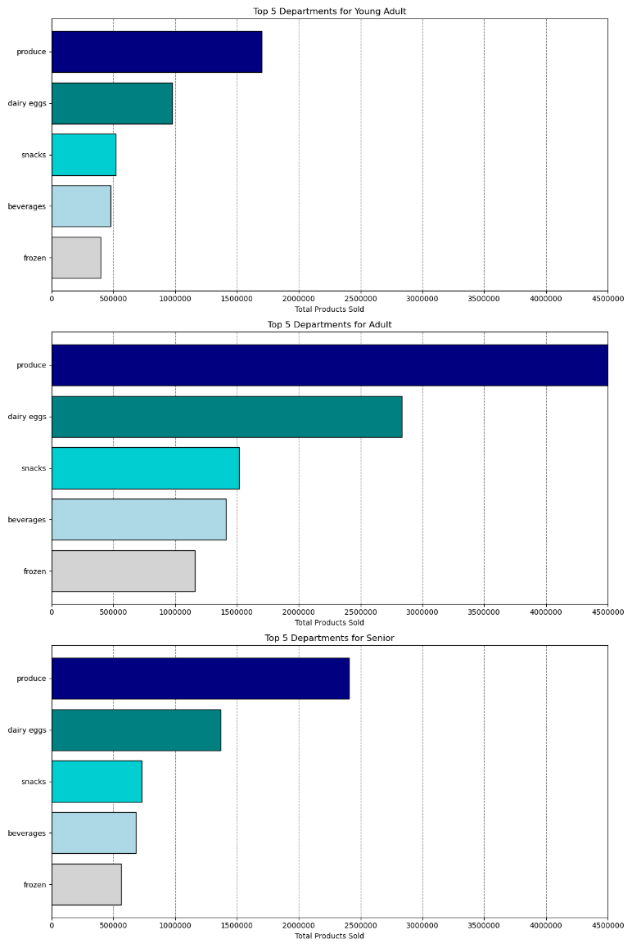


 |  |  | Title page

Recommendations

In this tab you should include any recommendations you would made to Instcart in terms of their marketing strategy based on the questions posed in the brief. Every key question has been covered in the Tasks of the Exercises - here you need to add an item - a visualisation or table/crosstable that is showing the answer in the data, acompanied by a comment from you. Please, list the questions below and add the answer underneath.

Question | Answer
Key Question 1 | The busiest days of the week are Saturday and Sunday - this makes sense as many people try to do grocery shopping on the weekend. Instacart should make sure to have enough drivers across regions to accommodate the increased traffic on weekends. Additional marketing and promotions for weekend purchases could also help expand the business during peak hours. The busiest hours of the day are standard business hours 9-5. This makes sense as customers would be more likely to use instacart when they are unable to go to a store themself. Instacart should focus on marketing during these hours and days.

Key Question 2 | Customers tend to purchase products with a higher average price at night. There is a large drop in average price after midnight, but then another increase around 2am. This suggests people are purchasing more expensive products at night. The average price dips around 10am and then climbs through the afternoon. Instacart should make sure to have enough drivers at late night hours because the increase in average price could be beneficial to the business. Additional analysis to identify late night users could provide instacart with information to target them directly with product based advertisements.

 | Most instacart products are $15 or less. There is a large drop-off in quanitity of products sold above the $15 mark. Instcart users are prmarily purhcasing low cost items, so marketing and promotions should be geared in that direction. Since most items purchased are low value, it is key to secure orders with many items to maximize profit.
Key Question 3

 | The most popular products sold on instacart fall into the produce, dairy/eggs, snacks and beverages category. Advertising these products and offering competitive pricing and/or promotions will be key to maximizing purchases. Since these top departments remain largely consistent across demographic groups, marketing these departments across regions could positively impact Instacart sales. Since produce is the highest selling department, it is important that instacart drivers make their deliveries promptly so that food doesn't spoil - this should be kept in mind when training and recruiting new drivers. Additionally, some customers can be very particular with produce selection, so making sure that drivers select the correct items from our most popular department will be important to customer loyalty.
Key Question 4

Key Question 5 | Most customers fall under the Regular Customer category suggesting some degree of customer loyalty. The next highest group is loyal customers, with new customers being last. This shows that instacart is having some success converting new customers to regular or loyal status. However, nearly twice as many users are categorized as regular over loyal. Instacart could increase marketing and promotions to improve customer loyalty, while also capitalzing on the other information available about most popular products. This could help to convert more customers to loyal status, bringing them back for additional purchases. Since new customer is the lowest category, Instacart must be having some success already in retaining customers, so doubling down on already existing strategies could be prove to be beneficial as well.

Key Question 6 | Regardless of loyalty status, customers are purchasing products of similar prices. This would coincide with the data indicating the top departments are produce, dairy/eggs and snacks, where items are priced similarly. Instacart would have to adopt new strategies to increase the sale of more expensive products, especially to new customers who may be hesistant trying the service for the first time. The status quo shows that all users are using the app similarly in terms of product price.

Key Question 7 | The south has the most instacart users of any region. Instacart should focus on the south to maximize the already existing market. Additional promotions and marketing could expand Instacart's presence in the south, but Instacart should also make sure to have enough employees to accomodate its largest market. The northeast is the smallest market of the 4 regions. This may be in part to do the urban, compact nature of the northeast where many people have grocery stores in walking distance. Instacart may therefore need a different marketing strategy in the northeast then elsewhere in order to appeal to regional difference.

Key Question 8 |  | The largest portions of instacart users are middle income, adults and have dependants. Instacart should adopt a strategy that caters towards adults with families. Advertising the convenient nature of instacart as reducing stress on already busy families could help bring in new users and maximize profits. Since the majority of instacart users have dependants, the company should adopt a strategy that appeals to people who provide for others as well. Seniors and young adults still make up notable percentages of instacart users, so maintaing connections to those demographics will also be important. Low income and high income groups seems less likely to use instacart. Low income users may find prices too high, while high income users may have alternate means of purchasing groceries. Additional analysis would be needed to make determinations regarding how to further reach out to low and high income groups. Since low and high income groups, as well as people with dependants make up small portions of instacart users, additional marketing should be done with increase instacart's presence in these demographics.

Key Question 9 |  | Instacart users make orders with similar average totals regardless of age group. Adults have a higher maximum purchase, but because the means are similar across all groups, we can safely assume that age group doesn't have a large impact on the size of customer orders. However, income group has a more pronounced effect on purchasing patterns. Low income groups have a much lower mean order total than the other two groups. This makes sense given that lower income groups have less money available for purchases such as an instacart order. Low income users also place orders slightly less frequently to middle and high income earners. Incentives that increase order frequency and size would impact all groups, but low income groups would benefit most from rewards or promotions as they currently spend the least on their orders.

Key Question 10 |  | The top selling departments remain very consistent across age groups. The one exception is that snacks are more popular then dairy/eggs for low income groups. Since instacart users consistently make purchases from the same departments, especially produce, instacart should focus on selling these products. Additionally, since produce is often sensitive to time and temperature, it may be worth investing in additional training for drivers to make sure that these items are safely delivered to customers.

